With Netskope Installed
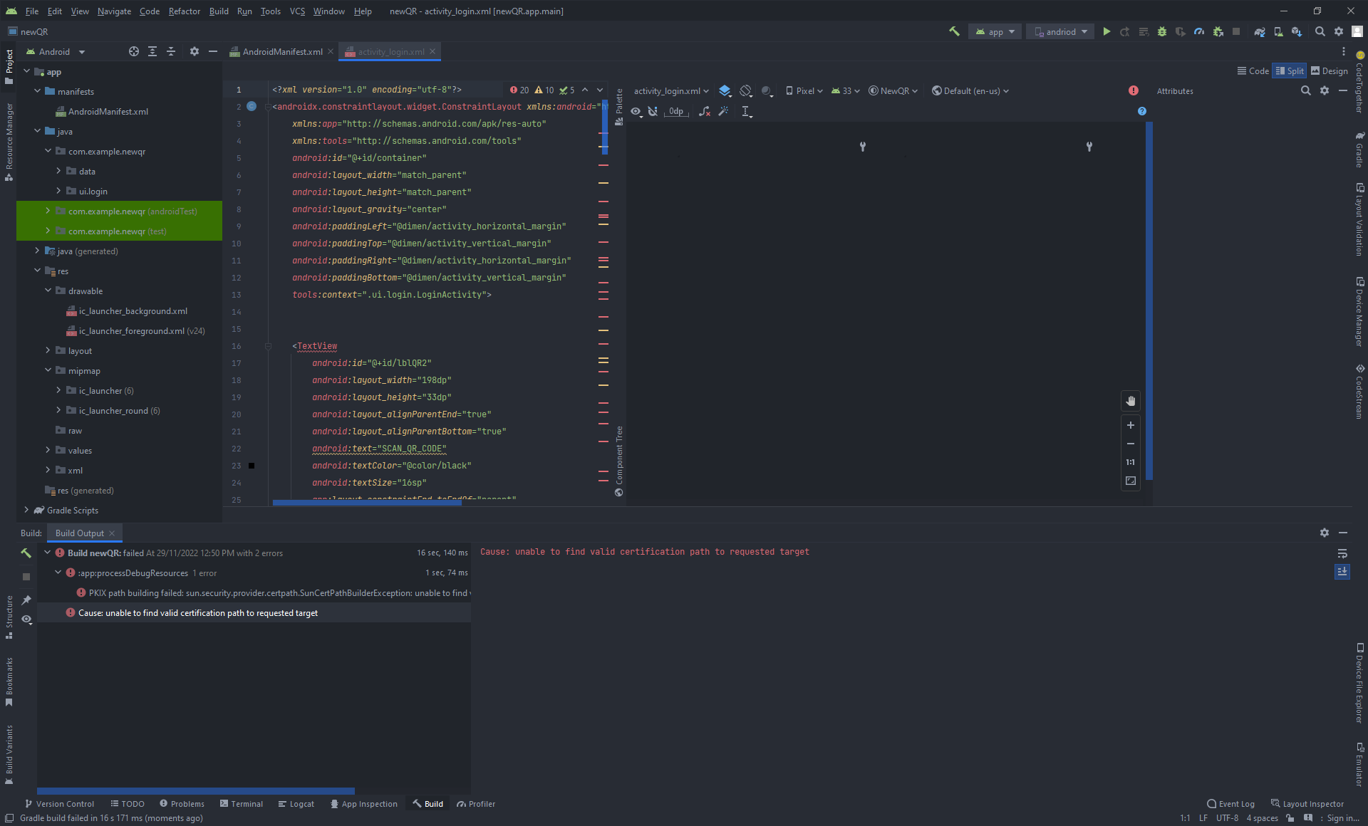
ANDROID STUDIO WITH NETSKOPE
PC: KDTW408

1. Opening the App
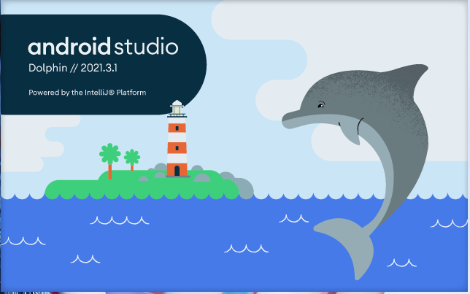

2. Create Project
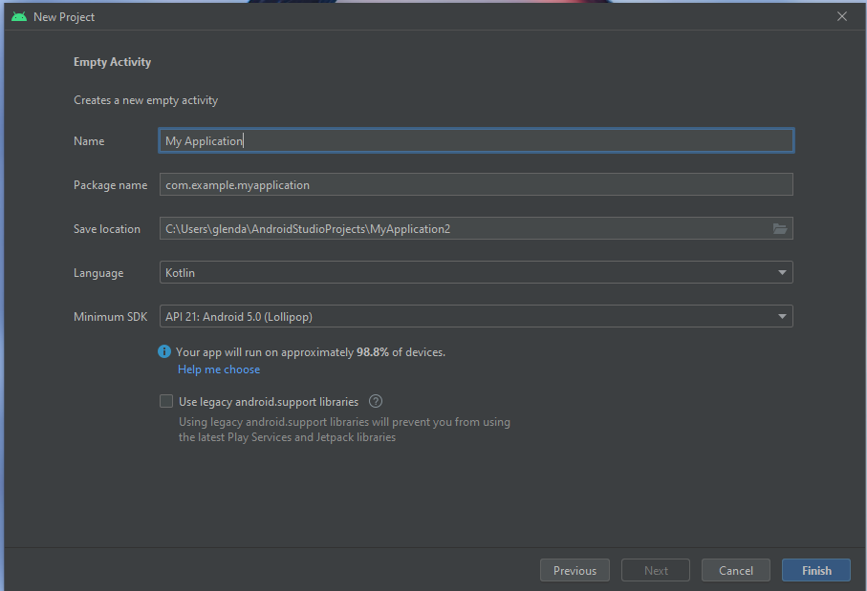

3. Untrusted Server's Certificate after Creating a Project
* Selected ACCEPT
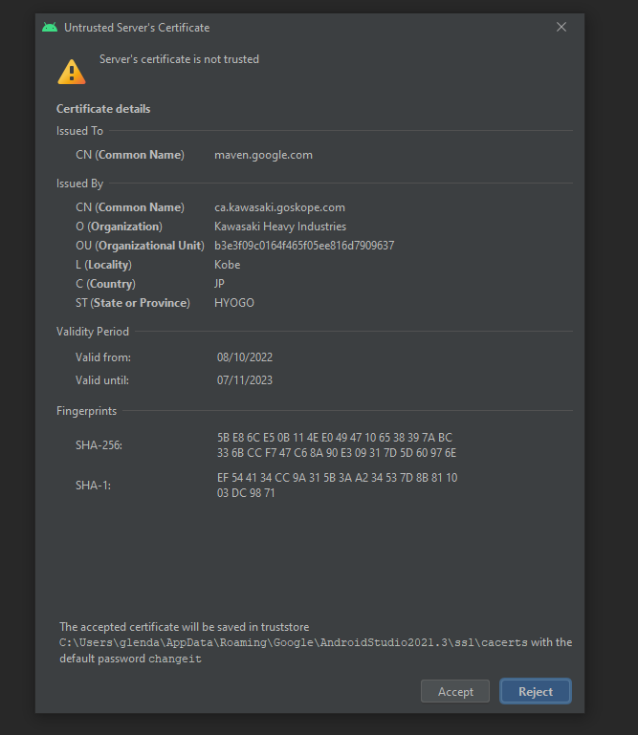
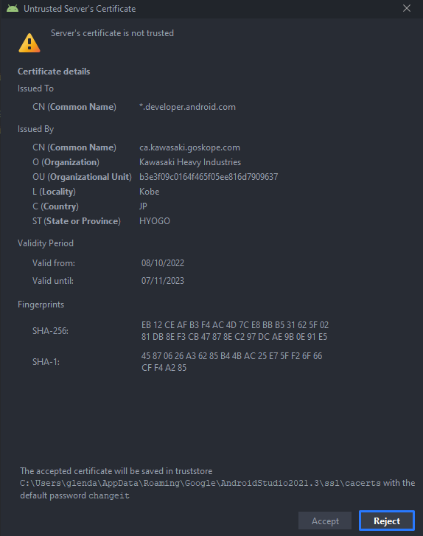

4. New Project
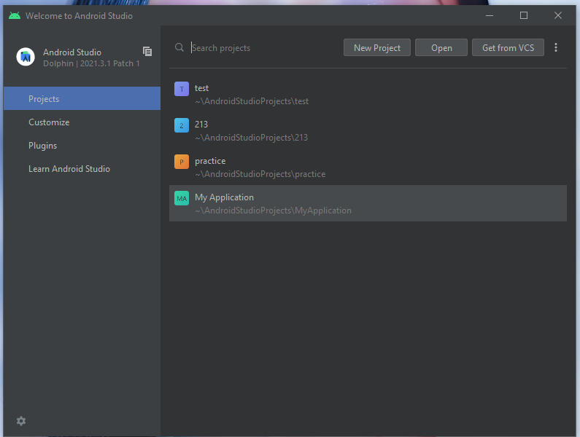

5. Choose a Template --> Click Next
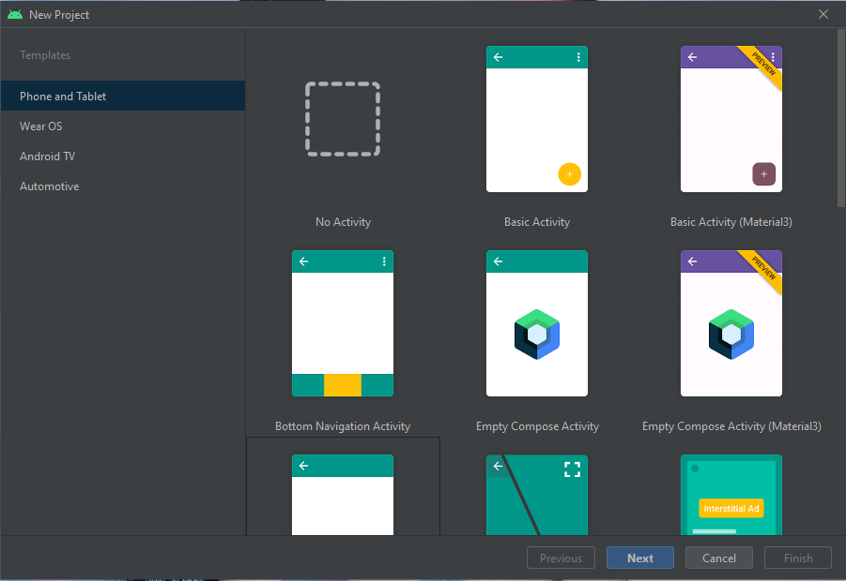

6. Sample Project, the code should have a sample mobile app overview as shown on the right side with red box
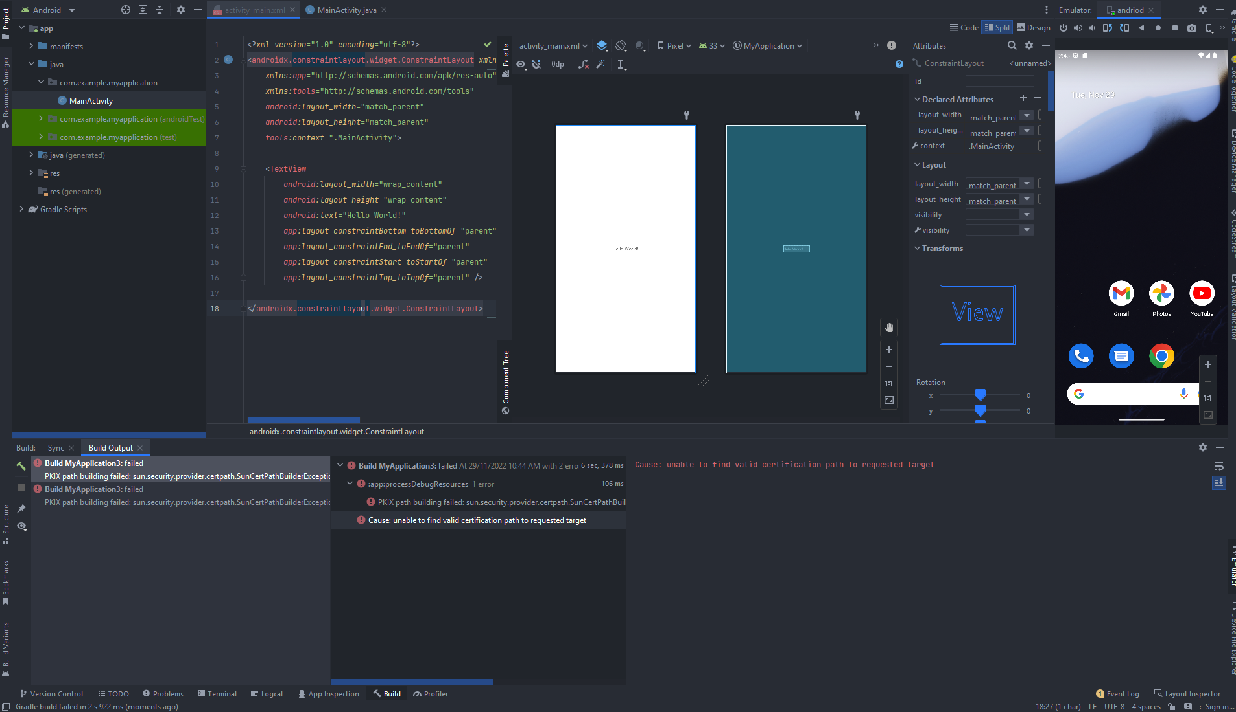

6.1 Actual Project Code (EE Group's QR Code App), however there is no mobile app overview on the right side
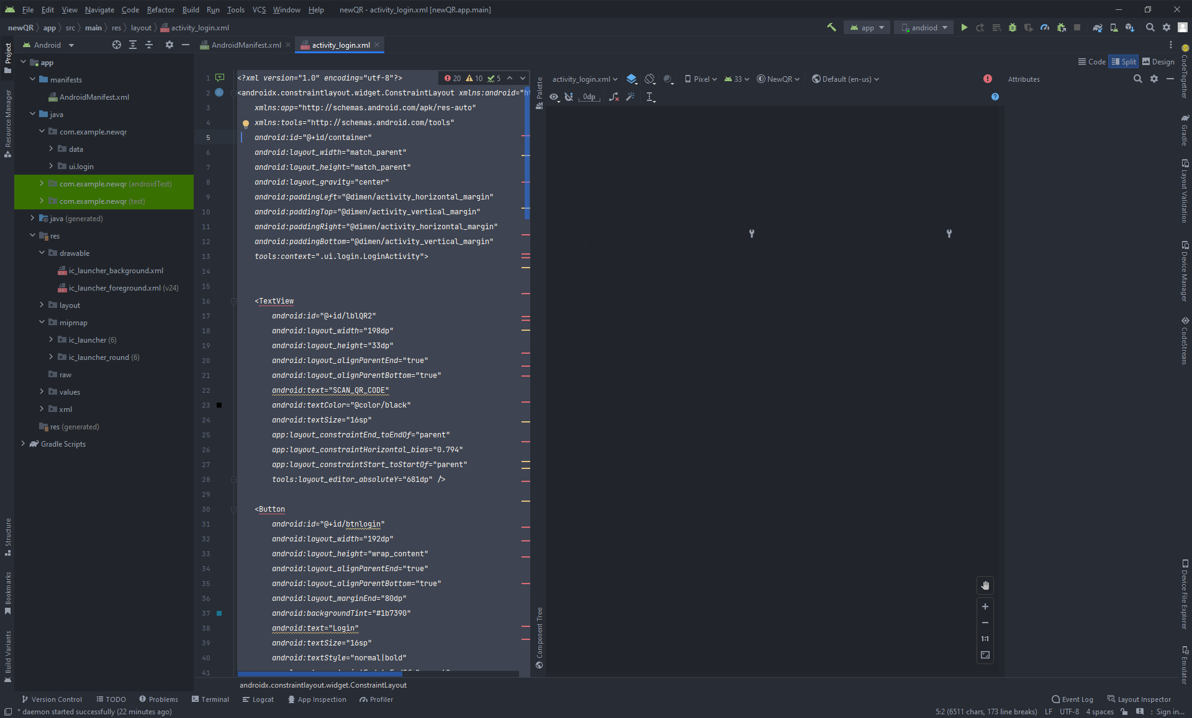

To fix this issue, it is suggested to update the JAVA Development Kit

7. Download and Install JAVA JDK/SE Kit
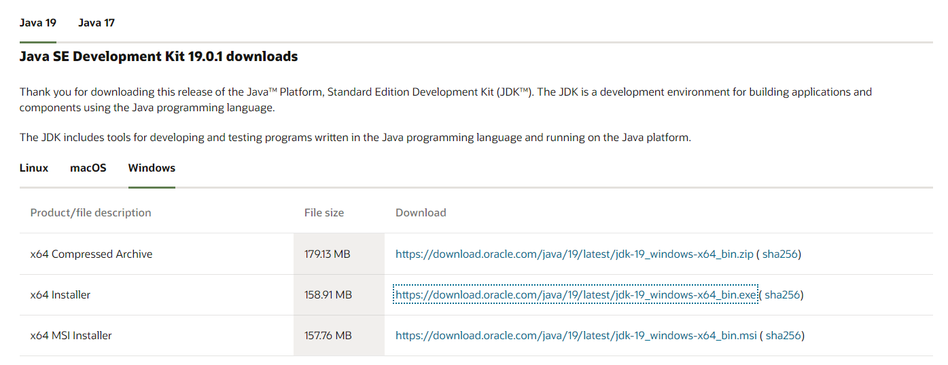

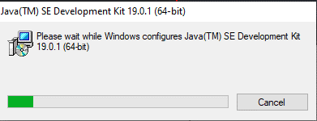

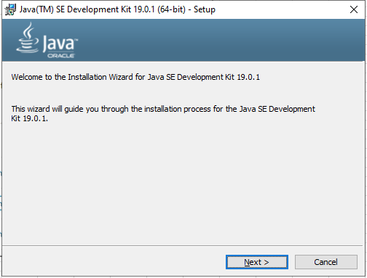

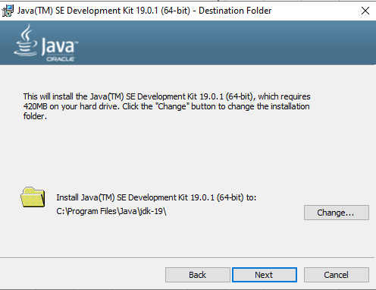

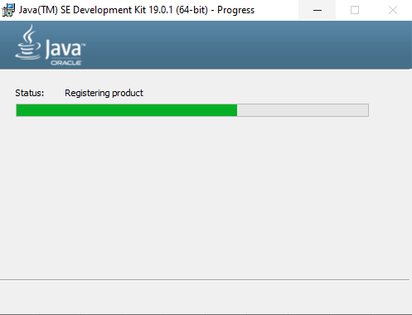

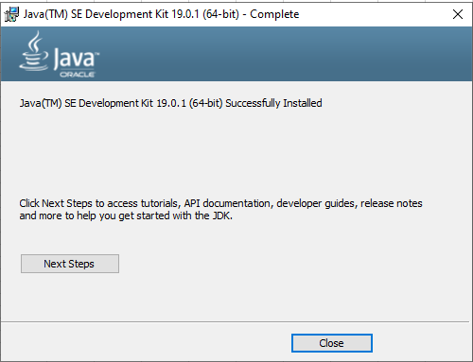

7. After installation, Go to Settings --> Advanced System Settings
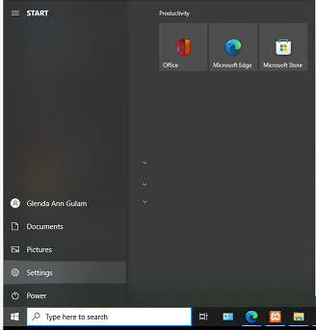

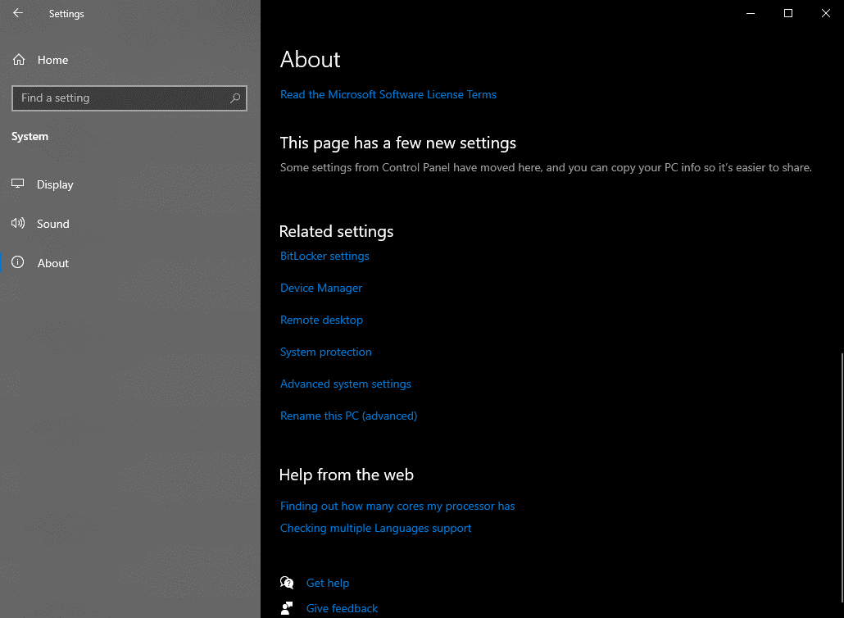

8. Set JAVA JDK Environmental Variables (Edit Path's Value)
** Path's Value should be the location of Installed JAVA SE Development Kit
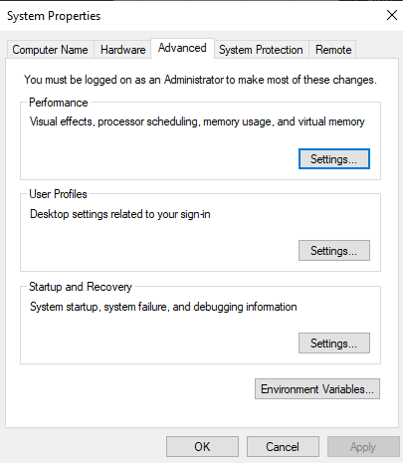
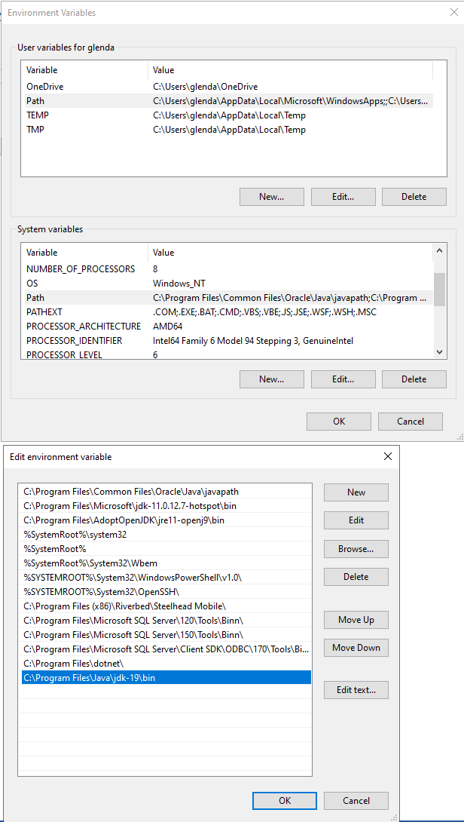

9. Check JAVA Version in Command Prompt Enter: javac -version

10. Open Android Studio and Try to Run the Project

